FPP material (823361, 411336)
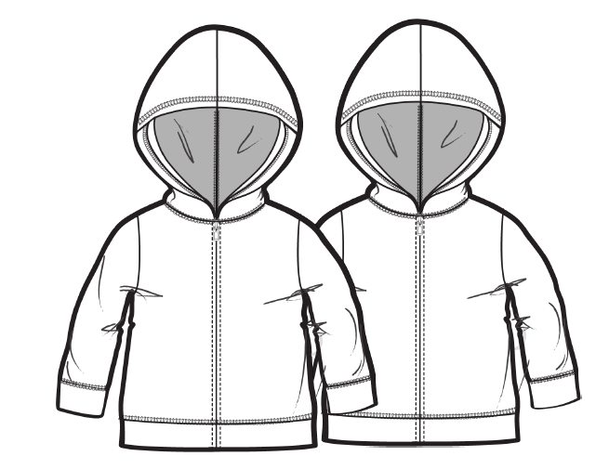  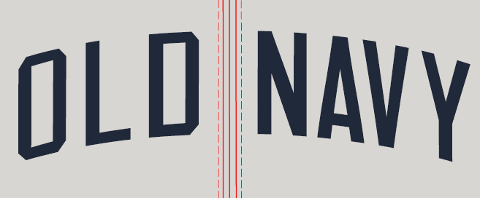
S# 823361, 411336 (MS#499668) FPP MATERIAL SENDING LIST
** NEED TO PROCEED FPP MEETING USING BULK MATERIAL
FABRIC | BODY: IN THE NAVY → 10/2 ETA GREY DINO - SPR22TNBPT006C CC 09 → 11/8 EX, 11/15 ETA APPLIQUE : SEA SALT → 10/2 ETA IN THE NAVY → 10/2 ETA
MAIN LABEL | IN FACTORY
CARE LABEL | IN FACTORY
ID LABEL | IN FACTORY
RBD LABEL | IN FACTORY
THREAD | PLEASE USE STOCK.
INTERLINING TK1300 | IN FACTORY
MOBILON TAPE 0608 | IN FACTORY
ZIPPER | IN THE NAVY - IN FACTORY

QA Cover
OLD NAVY NB SP'22- QA PACKAGE SENDING STATUS

Season | SP'22
Style | S# 823361, 411336 (MS#499668)
Vendor/ FTY | Sae-A/S&H VINA/VTN

 | 1st
 | 2nd (supplementary)
 | 3rd (supplementary)
 | 4th (supplementary)
 | 5th (supplementary)

1 | APPROVED PP SAMPLE | Will be updated
2 | Fit cmmts | C/O
3 | BOM | 2021-10-14
4 | GSS | C/O
5 | Line review sheet | 2021-10-14
6 | Packing method | 2021-10-14
7 | Bulk lot | 2021-10-14
8 | Trim card | Will be updated

STYLE# | PO CC NAME | BODY COLOR | ARTWORK |  | THREAD | EMBROIDERY | MAIN LABEL RD#291713
411336 | LOST AT SEA NAVY | IN THE NAVY |  | N9SPR200 CLR 3 | DTM BODY | SEA SALT | 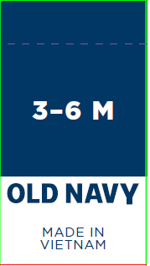
823361 | GREEN DINOSAURS | PANTHER PSD |  | ONBB22Q1_01 CC 2 | DTM BODY | IN THE NAVY
**VENDOR CONTACT : IRENE KO/ SHANE KO/MIN CHO/ RACHEL/DANIEL/PONY/NANA (SAE-A)
**GIS MERCHANDISER: HONG A NGUYEN/ LUCY NGUYEN

ON NB SP'22 S#823361, 411336 (MS#499668) QA FILE

 |  | SIGN | ASSOCIATE | AST.MANAGER | MANAGER | SR MANAGER | P.Manager

General Information
** General Information **
1.Order status |  |  | 3.Accessories (Description & Item#) |  |  |  | 5. Color Break Down

1. Date | 2021-10-19 |  | ITEM | 발주처 | ITEM# | DESCRIPTION
2. Buyer | OLD NAVY NEWBORN |  | 1. Label
3. Season | SP'22 |  | 1) Main |  | RD#291713 | Universal_Brand_Tops/ Bottoms_Generic_Integrated Loop (Global/Canada)
4. Style# | S# 823361, 411336 (MS#499668) |  |  |  |  |  | S# 411336 : 3,803 pcs S# 823361 : 9,721 pcs TTL : 13,524 pcs - FINAL SBD
5. Description | LS Hoodie - Fleece - LOGO |  | 2) Care label |  | RD#191462 | Hard Wash
6. Delivery | 12/12/2021~01/20/2022 |  | 3) ID LABEL |  | RD#149232 | Traceability label
7. Order Q'ty | 13,524 pcs |  | 4) SPECIAL LABEL |  | GAP-RBS B102696 | 0-3/3-6/6-12M SIZE ONLY
8. Country of Origin | VIETNAM |  | 2. Sewing Trim
9. Sewing Factory | S&H VINA (2) |  | 1) Thread | Local | 40S/2 POLY SPUN | ALL TOP STITCH
1) CM |  |  |  |  | 150D TEXTURED POLY | INTERIOR BOBBIN & LOOP THREAD
 |  |  | 2) Zipper |  | VISLON #5 | DTM BODY
 |  |  | 3) Interlining |  | BLACK/WHITE | ZIPPER GUARD, BACK SIDE OF EMB
10. Graphic Factory | EUNSUN |  | 4) TAPE-MOBILON |  | #0608 | 1/4 " AT SHOULDER SEAM

11. F/Washing | FABRIC NORMAL WASH |  | 3. Tag
 | NO GARMENT WASH |  | 1) Price Tag | 현지 | RD#269032
12. Team / Contact | 영업 3담당2본부3팀 | 고은진: Irene Ko | 2) Tag Pin | 본사 | 3" Clear
1) Ext# / Mobile Phone | #7240 | ejinq@sae-a.com | 4. Hanger / Size Strip / Sensor tag
 | 영업 3담당2본부3팀 | 고수한: Shane Ko | 1) Hanger | 본사 | 157-ONS-HPPS : 10" | ALL SIZE, 10 in top w/plastic hook
 | #7983 | 8thbird@sae-a.com
 | 영업 3담당2본부3팀 | 조민선: Min Cho | 2) Size Tab | 본사 | ST08
 | #7165 | minsuncho1290@sae-a.com | 5. Packing Trim
 | 영업 3담당2본부3팀 | 유우영 : Rachel Yu | 1)Poly Bag-Flat | 본사 | #203127 / 8 " X 12" | ONLINE POLYBAG
 | #7494 | rachel25@sae-a.com | Poly bag sticker | 현지 | RD#265226 | NEW ONLINE STICKER
 | 영업 3담당2본부3팀 | 한평우 : Daniel Han | 2) Blister Bag | 현지
 |  | daniel.han510@sae-a.com | 3) Carton | 현지
 | 영업 3담당2본부3팀 | Pony Duong | 4) Gum Tape | 현지
 |  | pony88@sae-a.com | 5) Carton label Sticker | 현지
 | 영업 3담당2본부3팀 | Nana Nguyen
 |  | nana97@sae-a.com
2. Fabrication & Yield Yardage (요척) |  |  | 4. Label Attachment |  |  |  | 6. Production Sample Dispatch Manual |  |  | LINE START | 12/1/21
 |  |  |  |  |  |  |  |  |  | 1ST S/D | 12/12/21
1. Fabric Mill | KAMHING |  | 1. Attached Method : |  |  |  | Sample | Color | Size | Q'ty | Due
2. Fabrication & Yield Yardage |  |  | - Main Label : Attached at center back neck seam |  |  |  | * FPP sample | ANY 1 CLR | 3M-6M | 2 | 11/28/21
BODY | RD#216711 52/48 CTN/POLY FLEECE 230gsm a/w B/W : 66/68" 215GSM A/W : 63/65" 230GSM |  | - Price Ticket : Ticket attched on wearers left armfit with 3" tag pin. |  |  |  | * TOP sample | ALL CLR | 3M-6M | 5 | 11/28/21
 |  |  | - Care Label : Attached 1" above from bottom hem seam on wearer's left side seam. |  |  |  | * In Line sample | MIXED | MIXED | 5 | 12/21/21
S# 411336- IN THE NAVY | 0.439 YDS/ PC | NET 0.420 YDS/PC ( LOSS SEWING 3% + EMB 1.5% ) | - ID Label : Sewn at behind of care label |  |  |  | * Shipping sample | ALL CLR | ALL | 2PCS/ COLOR | 12/19/21
S# 823361-GREEN DINOSAURS |  |  | - RBS Label (0-3/3-6/6-12M SIZE ONLY) : Attached at 1/4" above care label |  |  |  | * Test sample | ALL CLR | ANY | 5pcs/color | 11/17/21
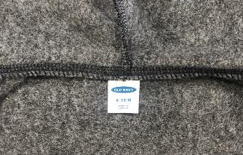
C.B
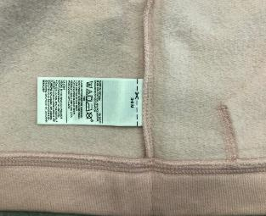
1"
ID LABEL
RBS LABEL
1/4"
SELF APPLIQUE (USED BACK SIDE AS FACE) | RD#216711 52/48 CTN/POLY FLEECE 230gsm a/w B/W : 66/68" 215GSM A/W : 63/65" 230GSM |  |  |  |  |  | * Remarks | TOP samples must attach USA price ticket. TOP samples must same as Brand PO packing way. ** Do attach sesor tag on TOP SAMPLE!!
 |  |  |  |  |  |  | 1. All fabric Test were done in HQ Will send APP fabric test reports via email before PPM 2. All garment test Need to proceed in Fty Side [GMT TEST REPORT TARGET DUE : 1.5~2 WEEKS BEFORE 1ST EX-FTY DATE ]
S# 411336-SEA SALT | 0.014 YDS/PC | NET 0.0135 ( SEWING 5%)
S# 823361-IN THE NAVY
PLEASE SEE THE FABRIC CONSUMPTION CHART

Sewing Instruction
** SOLID BODY - SEWING INSTRUCTION IN ENGLISH **
1. Construction w/ sketch |  | 3. Body & Trim matching by Color
 | pls let us know if any discrepancy or not clear enough.
***Please follow approved PP sample for body construction ***
SPI 12-13
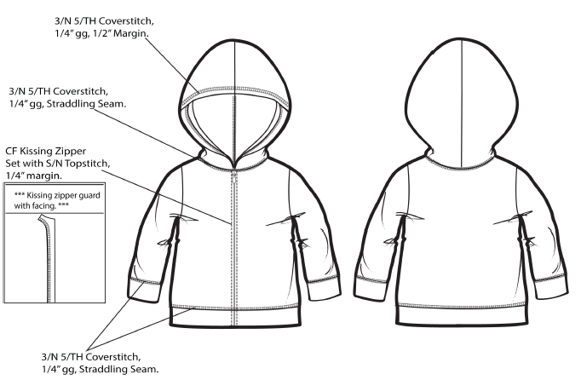 |  | STYLE# | PO CC NAME | BODY COLOR | ARTWORK (EMB) |  | APPLIQUE (USED BACK SIDE AS FACE) | ZIPPER COLOR | THREAD | MOBILON TAPE @ SHOULDER SEAM | INTERLINING @BACK OF EMBO & ZIPPER GUARD | MAIN LABEL RD#291713
 |  | 411336 | LOST AT SEA NAVY | IN THE NAVY |  | N9SPR200 CLR 3 | SEA SALT | DTM BODY | DTM BODY | 0608 | BLACK
 |  | 823361 | GREEN DINOSAURS | PANTER PSD |  | ONBB22Q1_01 CC 2 | IN THE NAVY | DTM BODY | DTM BODY |  | WHITE
 |  | ***CARE INSTRUCTION*** 52% COTTON, 48% POLYESTER EXCLUSIVE OF DECORATION [PRINT : GREEN DINOSAURS] CLOSE ZIPPER BEFORE WASHING /MACHINE WASH COLD GENTLE CYCLE /ONLY NON-CHLORINE BLEACH WHEN NEEDED /TUMBLE DRY LOW/ COOL IRON / DO NOT DRY CLEAN [SOLID : LOST AT SEA NAVY] CLOSE ZIPPER BEFORE WASHING /WASH AND DRY WITH LIKE COLORS / MACHINE WASH COLD GENTLE CYCLE /ONLY NON-CHLORINE BLEACH WHEN NEEDED /TUMBLE DRY LOW/ COOL IRON / DO NOT DRY CLEAN

 |  | 4. Watch out!!
 |  | 1. Cutting |  | 2 WAY RANDOM CUT (1PC 1 WAY)

 |  |  |  | ** NEED FABRIC WASHING BEFORE CUT.
 |  |  |  | All of bulk lots should be grouped with similar color shading and ensured them against.
 |  |  |  | Pls inform if there is any problems on fabric before cutting.
 |  |  |  | Pls check fabric data before cutting.
 |  |  |  | Pls cfm the Factory YY before cutting.
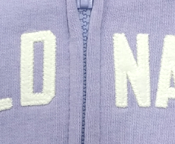
* Measurment way applique from C.F Placket stitch
From CF Placket stitchto D : 1/4"
From CF Placket stitch to N : 1/8"
1/4"
1/8"
 |  |  |  | Pls check the spec before line starting.
 |  |  |  | Pls send fabric inspection report after fabric arrived.

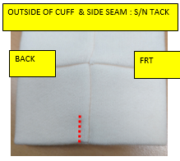
1/2"
 |  | 2. Sewing |  | 1. 앞판 자수 작업후, 안쪽에 심지 붙여야 합니다. (은선에서 작업)
 |  |  |  | 앞판 자수위치 좌우 발란스 꼭 맞추어 주세요.
 |  |  |  | 2. 후드 오프닝 : 3/4" 턴백, 1/4" 간격, 1/2" 마진 세줄가이루빠
 |  |  |  | 3. 넥 : 1/4" 간격 세줄 갈라 가이루빠
 |  |  |  | 4. 지퍼 : 키싱 지퍼, 지퍼 풀러 C/F neck seam 에서 1/4" 내려서 부착.
 |  |  |  | 5. 지퍼 가드 : 제 원단 사용, 안쪽에 심지 붙여야 하며 지퍼 테잎을 모두 커버해야 합니다.
 |  |  |  | 6. 소매 커프 : 먼저 소매 판에 부착 한 후에 언더암 한꺼번에 봉제. 가먼트 착용시 소매 뒤 쪽으로 1/2" 태킹 들어감.
 |  |  |  | 7. 바텀 햄: 1/4" 간격, 세줄 갈라 가이루빠. 사이드 심 없이 한판으로 진행.

FINAL SPEC
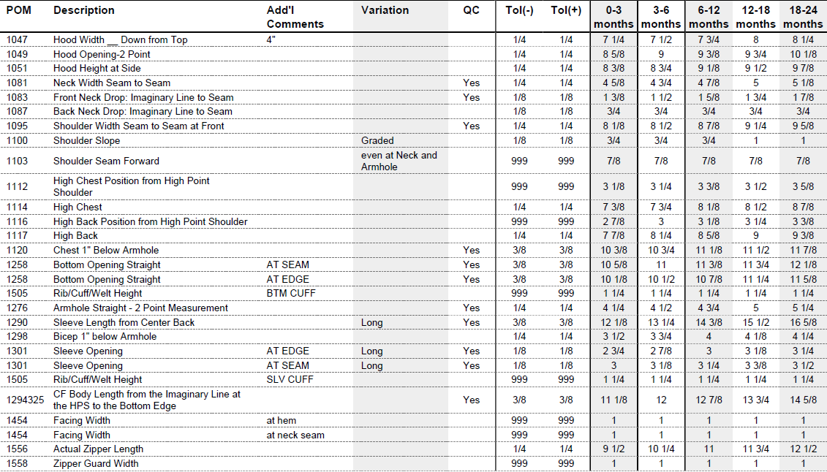
 |  |  |  | 1. Attach interlining at back side of emb. (at Eunsun)
 |  |  |  | Please keep front EMB's left & right balance at C.F.
 |  |  |  | 2. Hood opening : 3/4" Turnback, 1/4"gg, 1/2" margin 3N/5TH cover stitch
 |  |  |  | 3. Neck : 1/4" gg 3N/5TH cover stitch
 |  |  |  | 4. Zipper : Kissing zipper, Set 1/4" down from C.F neck seam
 |  |  |  | 5. Zipper guard : Self fabric with interlining at back side. It should be cover all zipper tape.
 |  |  |  | 6. Sleeve cuff : Set cuff to sleeve panel first, then join sleeve seam joined. There is 1/2" tacking on cuff back side. (ref to image)
 |  |  |  | 7. Bottom hem : 1/4" gg 3N/5TH cover stitch. There is no side seam.
 |  | 3. Finishing |  | All the chalk marks s/b removed before packing.
 |  |  |  | Follow the approved packing condition.
 |  |  |  | All of attached/uncut thread outside of garment are considered major defect.
 |  | 4. Packing |  | 1. US, CND RETAIL : HANGER (O), SENSOR TAG (X)
 |  |  |  | 2. OL, FRANCHISE : ONLINE POLY BAG (O), LPN STICKER (O), HANGER (X), SENSOR TAG (X)

 |  | 5. Shipping |  | APPLY CARTON SAFETY REGULATION 규정 준수
 |  | 5. Safety (
 |  | 1. THREAD REGULATION
 |  | : ALL PRODUCTIONS SHOULD BE TESTED BY THREAD SEARCH MACHINE
 |  | 2. NEEDLE REGULATION
 |  | : Vendors producing Kids & Baby, intimate apparel, and Japan orders are required to follow specific procedures during production to:
 |  | 1) Control/track needles and other foreign metal contaminants.
 |  | 2) Use approved needle detection machines
 |  | 3) Maintain metal-free detection and packing zones
 |  | 3. Zipper construction requirement : 1) Set zipper top stopper 1/4" below zipper guard and at top 2) Zipper guard coverd zipper teeth to protect baby skin. MIssing safety of zipper puller.

 |  |  |  |  |  |  |  |  |  |  |  |  | 3/22 OK

Folding method
C.B
1"
ID LABEL
RBS LABEL
1/4"
**FOLDING METHOD **
MAIN LABEL ATTACHMENT FOR ALL MARKET | CARE & ID LABEL ATTACHMENT FOR ALL MARKET | Franchise SPR22 New Packing Guidelines
 |  | 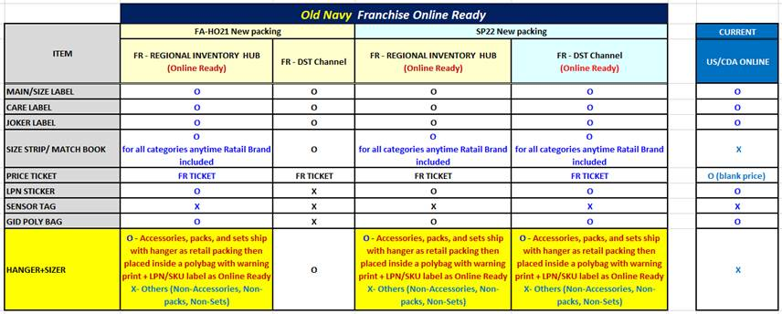
*MAIN LABEL: ATTACHED AT CB NECK SEAM | *CARE LABEL : Attached 1" ABOVE FROM BOTTOM HEM SEAM AT WEARER'S LEFT SIDE SEAM * T LABEL (ID LABEL) : SEWN AT BEHIND OF CARE LABEL * RBS Label (0-3/3-6/6-12M SIZE ONLY) : Attached at 1/4" above care label
BRAND PACKING FOR US/CDA |  | ONLINE PACKING FOR USOL/CDAOL/FRANCHISE
12"
8"
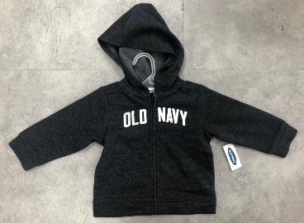 | 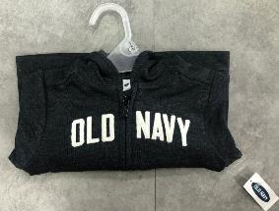 | 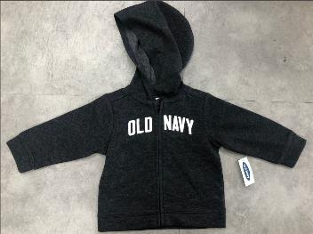 | 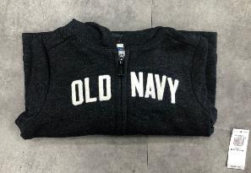
* HANGER PACKING FOR US/CANADA PLEASE SUGGEST POLY BAG SIZE, WILL FOLLOW FACTORY SUGGESTION. * PRICE TICKET : ATTACHED AT ARMFIT , USE 3" TAGPIN AT WEARER'S LEFT SIDE (NEED TO ATTACH PRICE TICKET W/ RETAIL) |  | *PRICE TICKET : ATTACHED AT ARMFIT , USE 3" TAGPIN AT WEARER'S LEFT SIDE (NEED TO ATTACH PRICE TICKET W/O RETAIL) * ONLINE POLY BAG : 8" X 12"

DETAIL
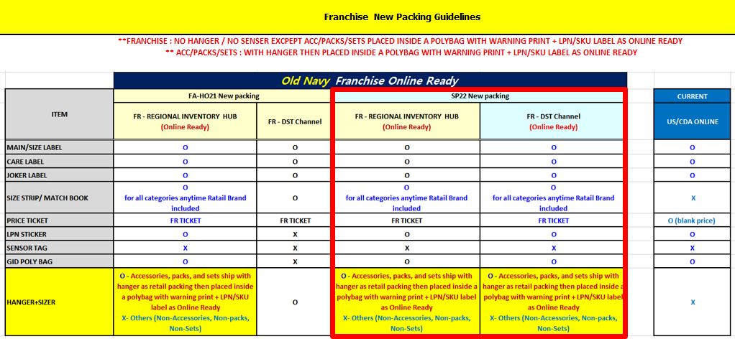
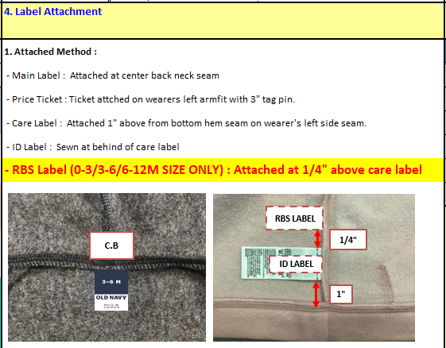
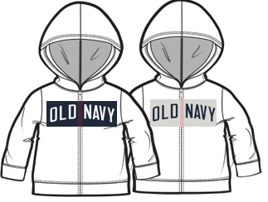 S#823361
STYLE# | PO CC NAME | BODY |  | ARTWORK |  | APPLIQUE (USED BACK SIDE AS FACE) | ZIPPER COLOR | THREAD | MOBILON TAPE @ SHOULDER SEAM | INTERLINING @BACK OF EMBO & ZIPPER GUARD | MAIN LABEL -G | MAIN LABEL -CA | CARE LABEL
411336 | LOST AT SEA NAVY | IN THE NAVY |  |  | N9SPR200 CLR 3 | SEA SALT | DTM BODY | DTM BODY | 0608 | BLACK |  |  | 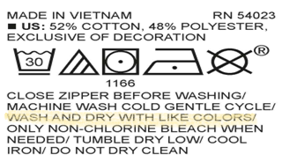
823361 | GREEN DINOSAURS | PANTER PSD |  |  | ONBB22Q1_01 CC 2 | IN THE NAVY | DTM BODY | DTM BODY |  | WHITE |  |  | 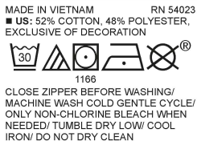
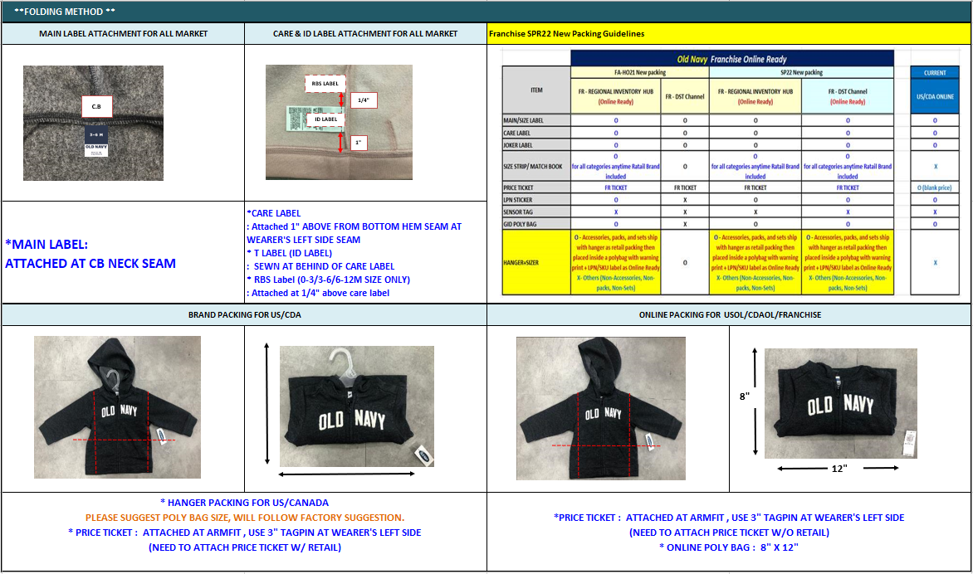
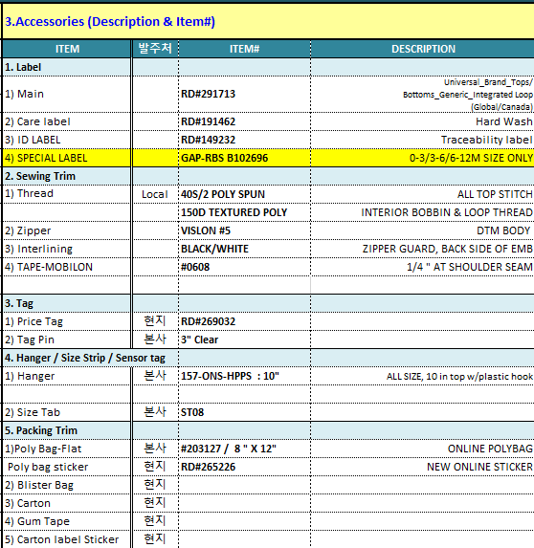
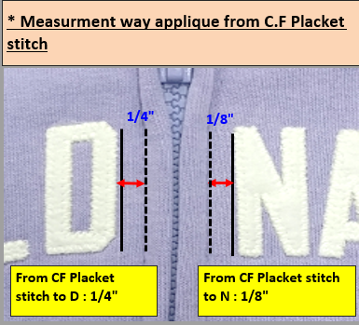

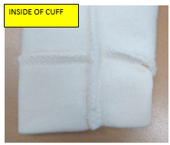
1/2" vertical tack

